Application workflow
FAE summary

Prepare
Check
Approve
FAE input

Prepare
Check
Approve
FAE create invoice

FAE Invoice

Invoice type

PDC check
ITC check
ITC approve
FAE prepare
FAE check
FAE approve
FAE acknowledge
Requester input
Prepare
Check
Approve
Upload
Check waste typre
Part / asset
Hazadous waste
Infectious waste
NON BOI
Check
Approve
GM approve
FAE acknowledge

Finish
BOI

ITC Invoice

Prepare
ACC create invoice
ACC print exxcel
Invoice dept. check

FAE GM sign
Finish
Finish
Prepare
ACC scan and upload to system
FAE invoice
Check
From FAE
Approve
Check
Prepare
ITC invoice

Approve
From ITC

Finish

Login
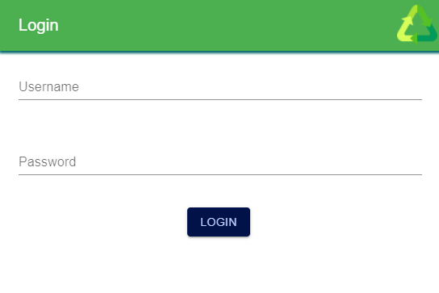

1

2

3

FAE input
Back
1. Open form insert FAE input
2. Open camera capture images.
3. Submit to database

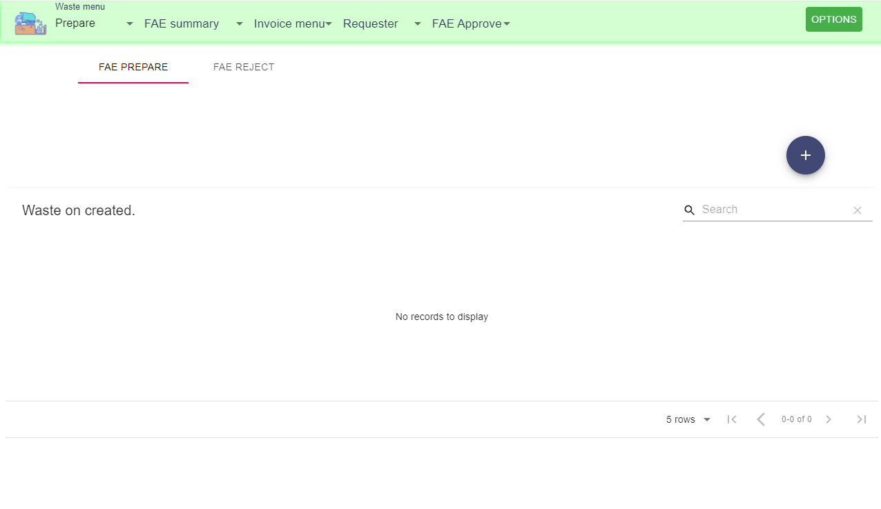
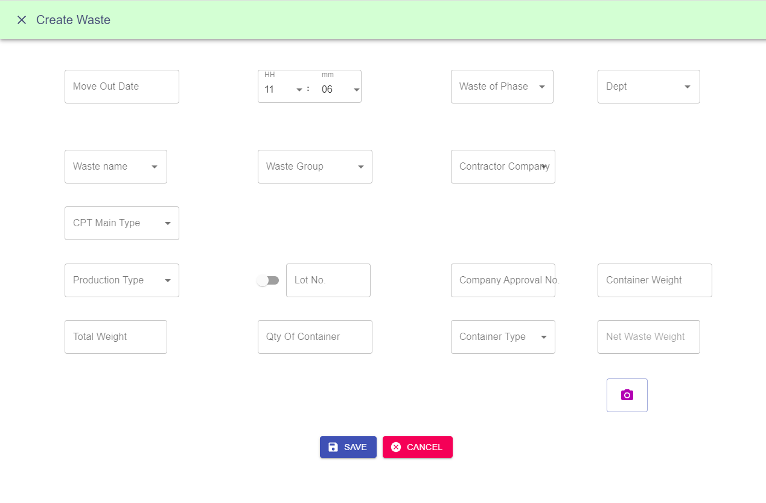
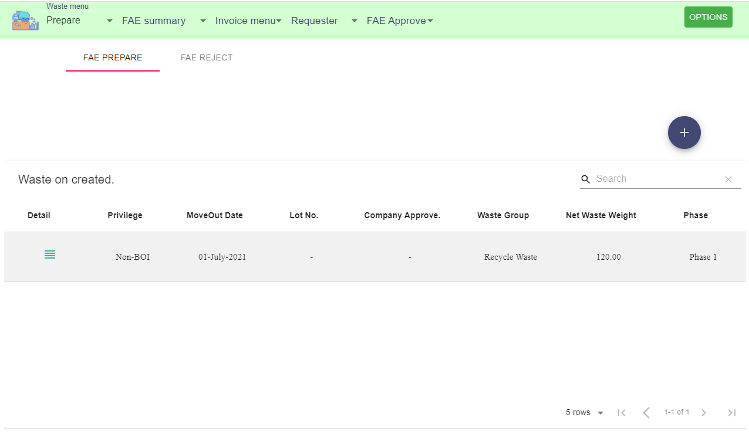

1

2

3

FAE check
Back
1. Select menu check
2. Select data.
3. Submit check data

2.1 Preivew and manage data record.
1

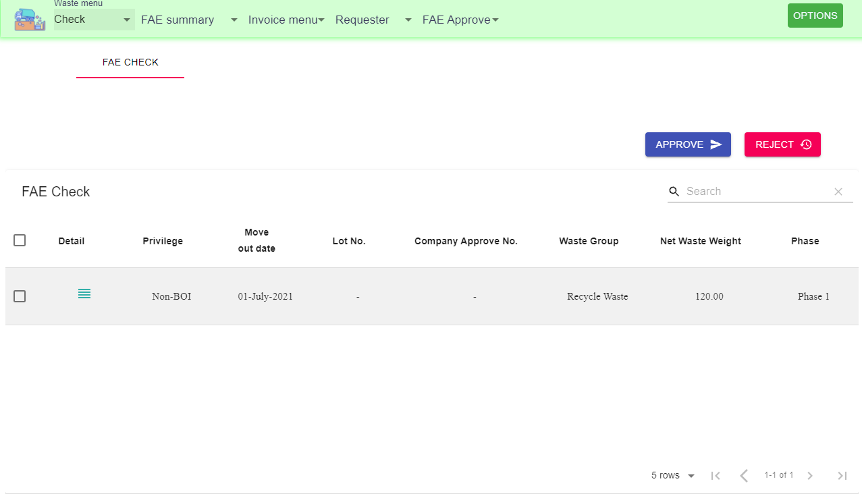

3

2

2.1

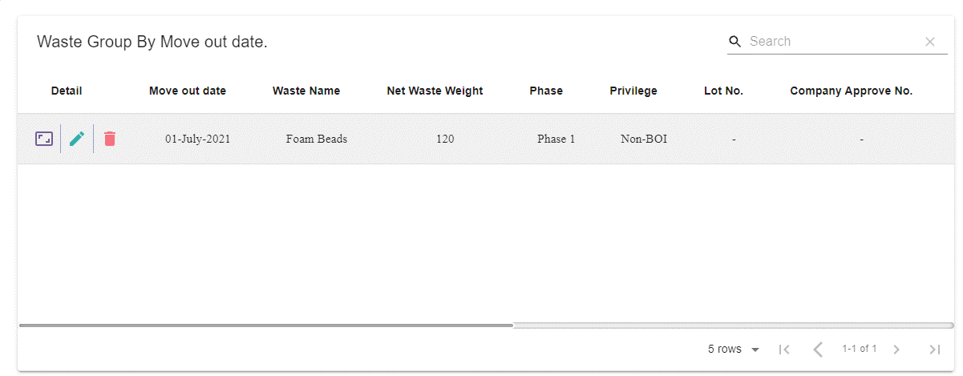
View images attackment
Edit data
Delete data

1. Requester
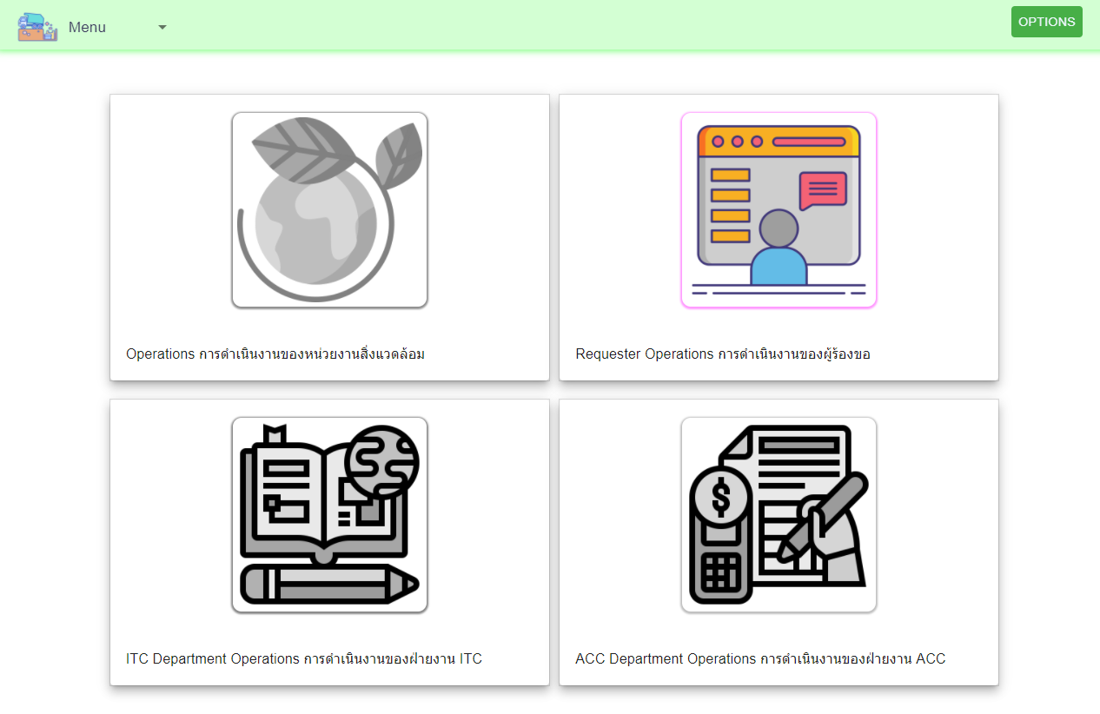
1.1 Prepare
Back

1.2 Check

1.3 Approve

FAE approve
Back
1
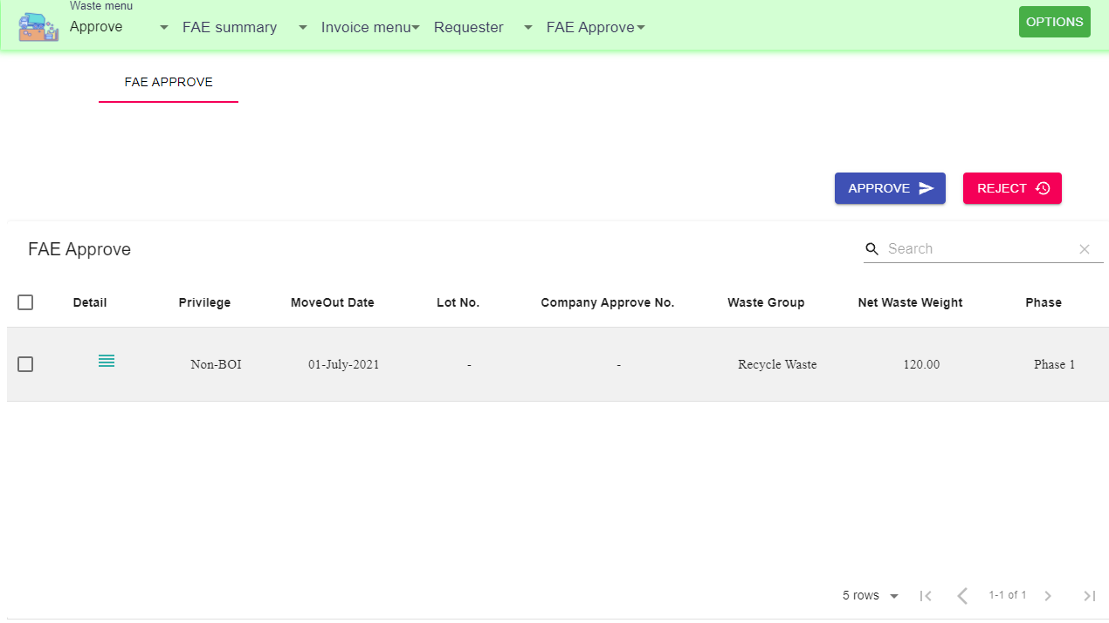
1. Select menu approve
2. Select data.
3. Submit approve data

3
2.1 Preivew and manage data record.

2

2.1

View images attackment
Edit data
Delete data

1.1 Prepare
Back

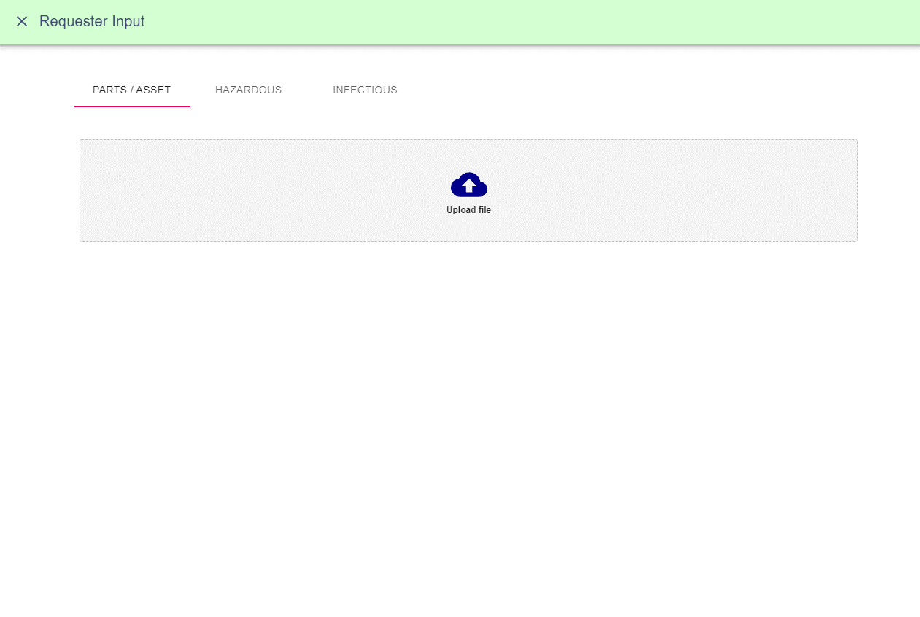

Part / Asset
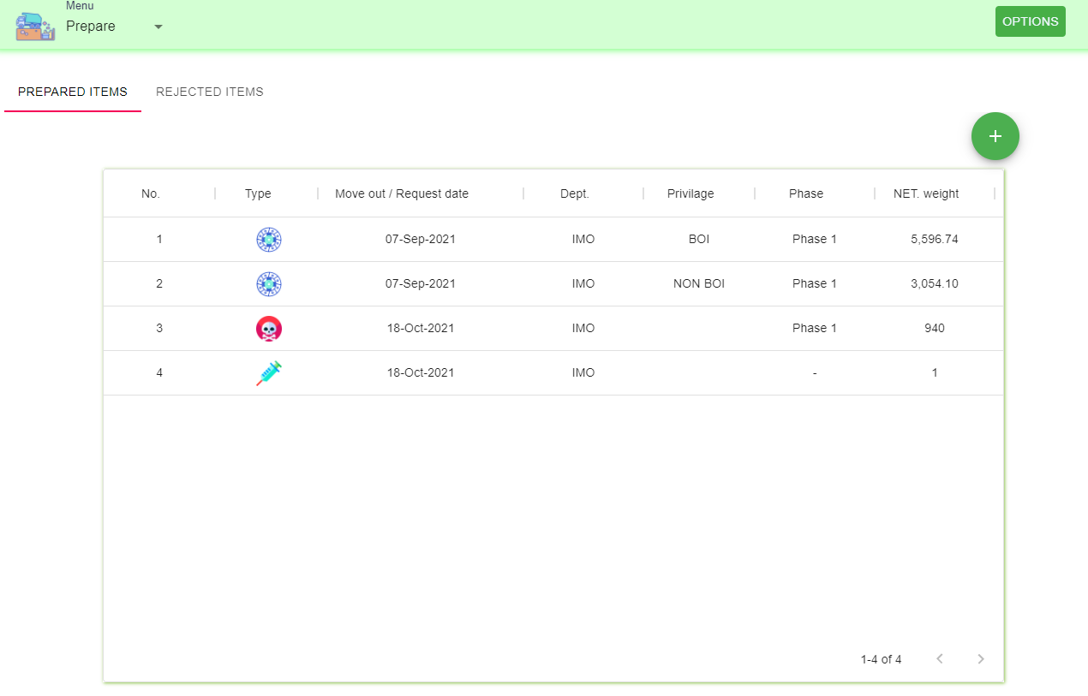
1. Requester upload data to system
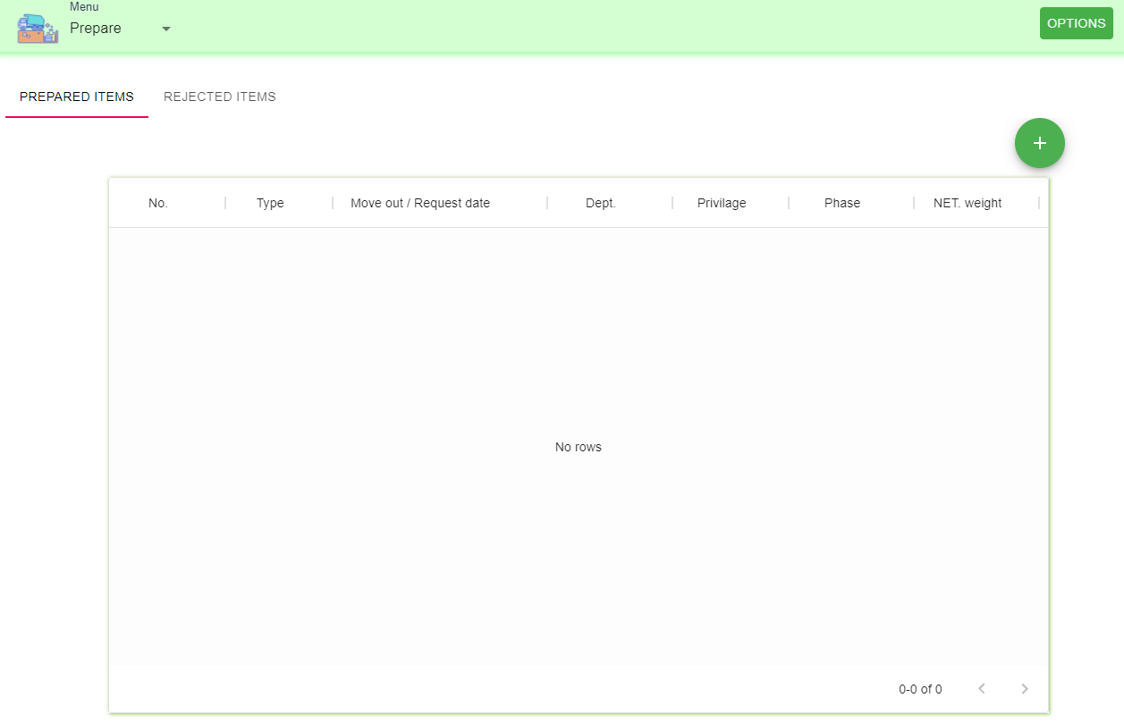
1
2

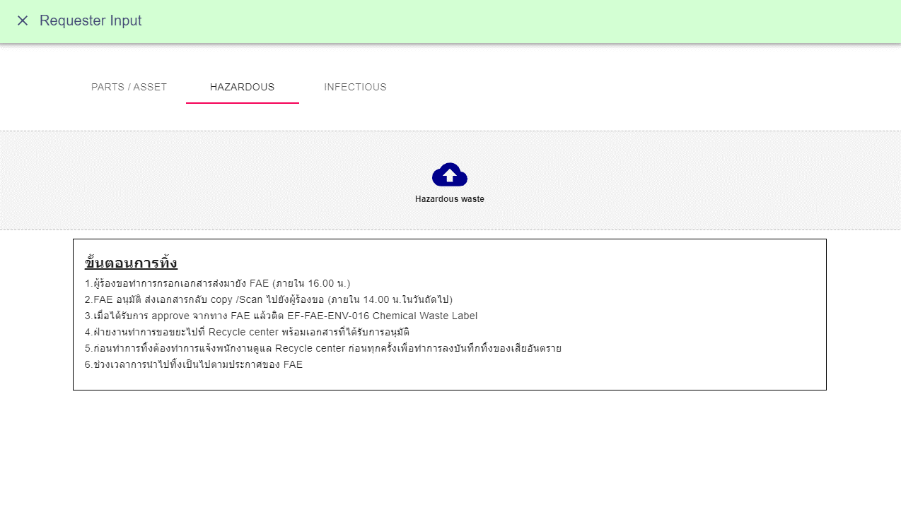

Hazadous

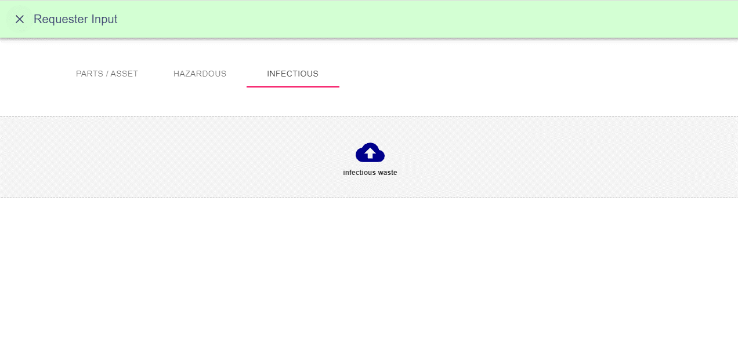

infectious

1.2 Check
Back

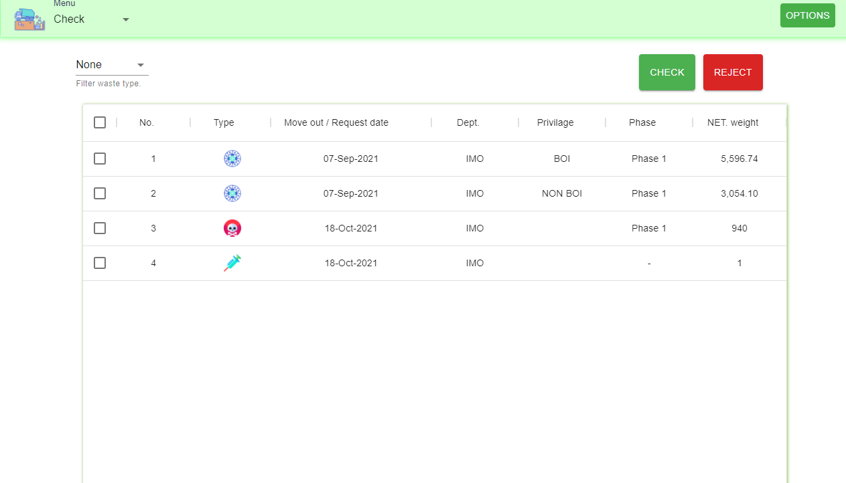
2

1

1.3 Approve
Back

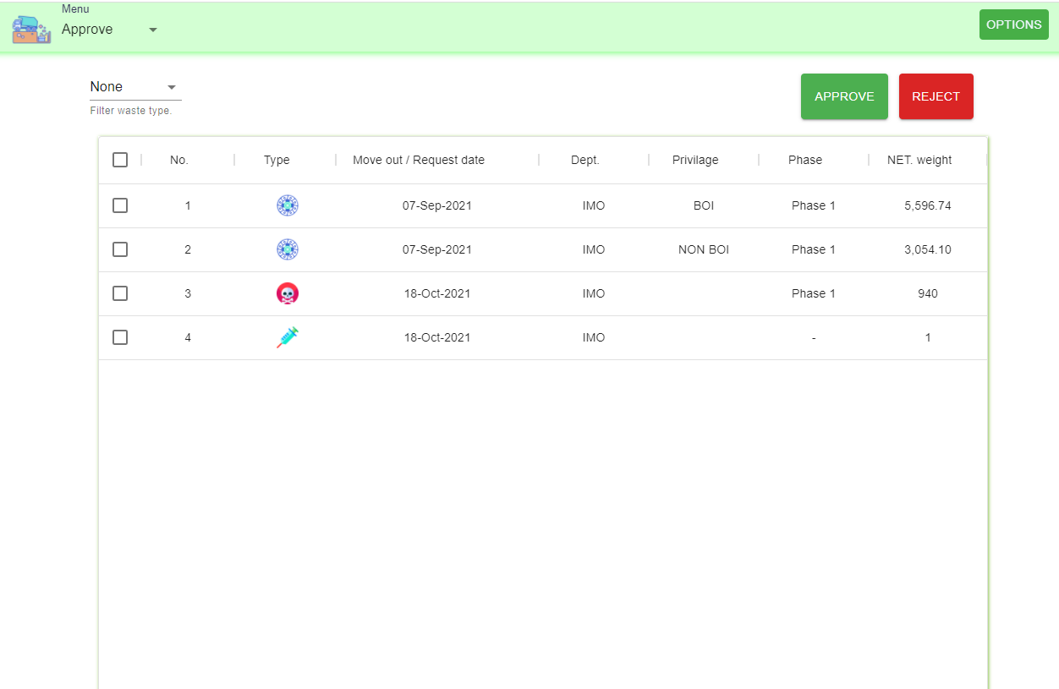
2

1

PDC check
Back
1. Select menu PDC check
2. Select data.
3. Submit approve data

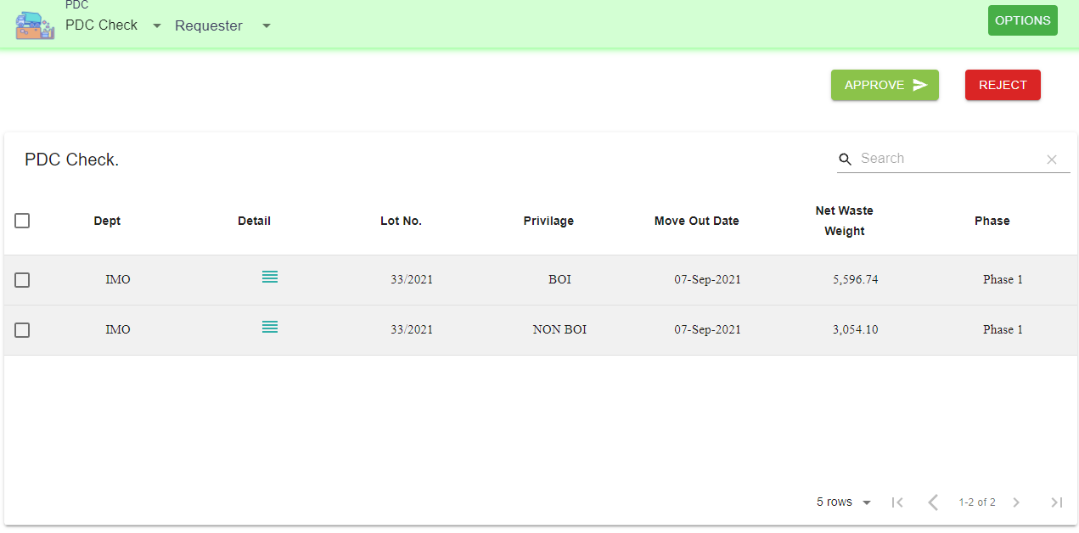
1
3
2.1 Preivew and manage data record.

2

2.1

View images attackment
Edit data
Delete data

ITC check
Back
1. Select menu ITC check
2. Select data.
3. Submit approve data

2.1 Preivew and manage data record.

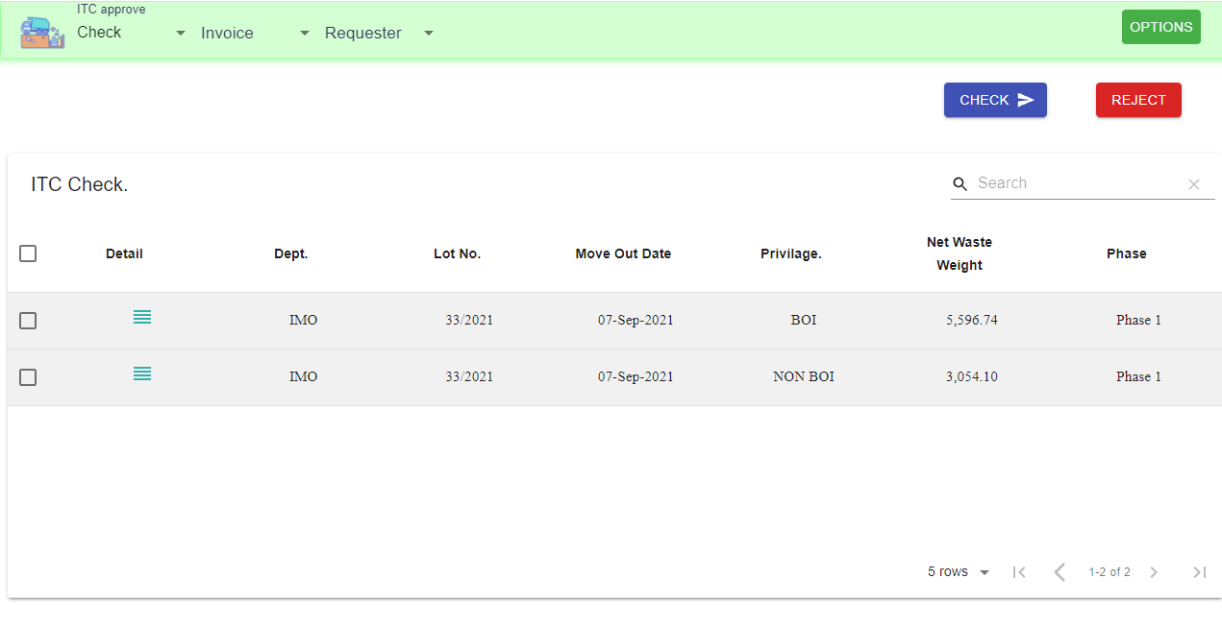
3
1

2

2.1

View images attackment
Edit data
Delete data

ITC approve
Back
1. Select menu ITC approve
2. Select data.
3. Submit approve data

2.1 Preivew and manage data record.

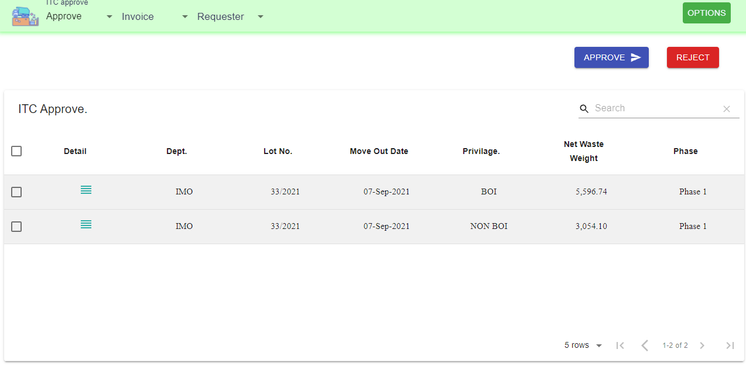
1
3

2

2.1

View images attackment
Edit data
Delete data

Hz prepare
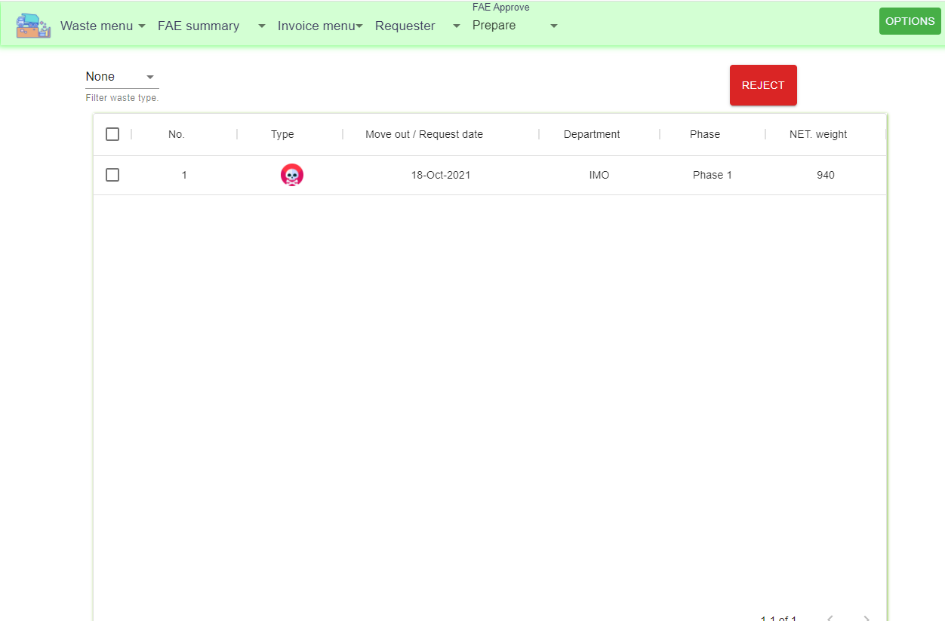
Back
1
1. FAE approve, Select prepare
2. Click the data row
3. Input FAE data
4. Click save

2

4

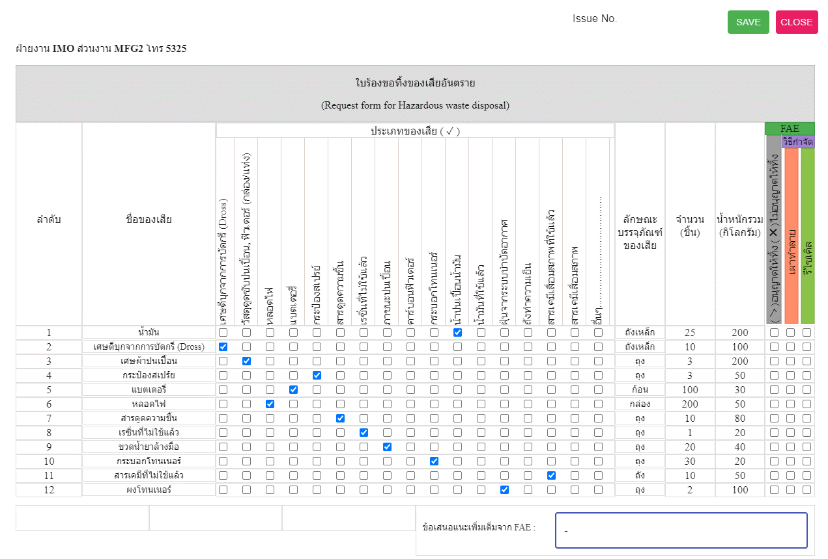

3

3

Hz check
Back
1
1. FAE approve, Select Check
2. Click the data row

3. Click close
4. Select data for approve
5. Click check
2

3
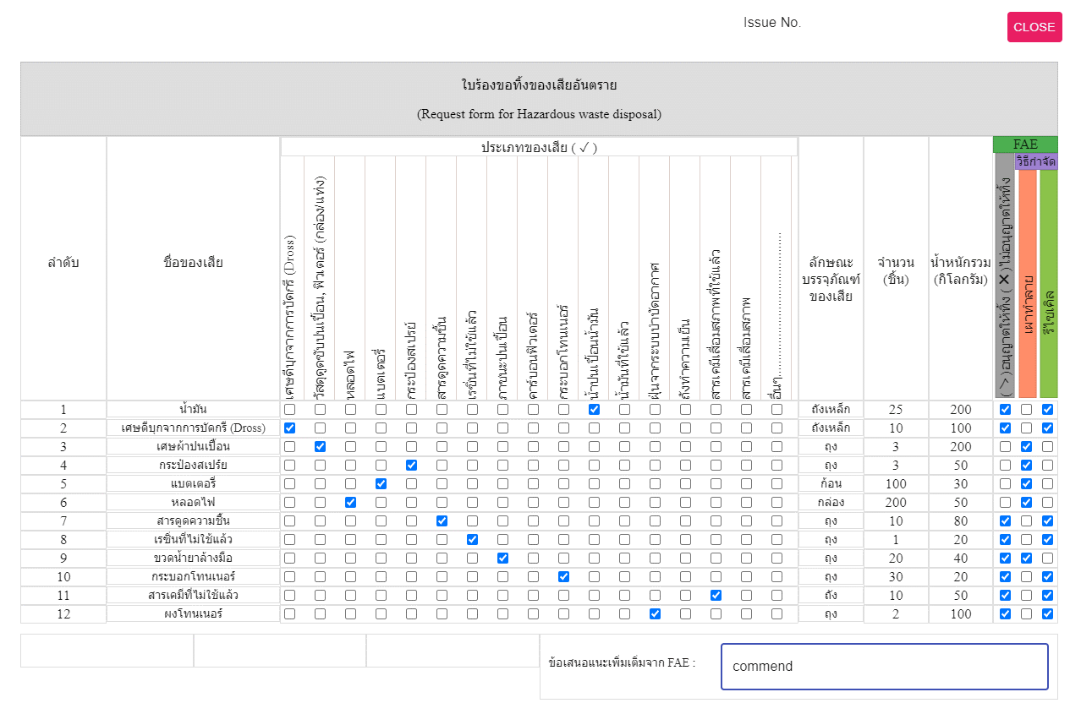

5
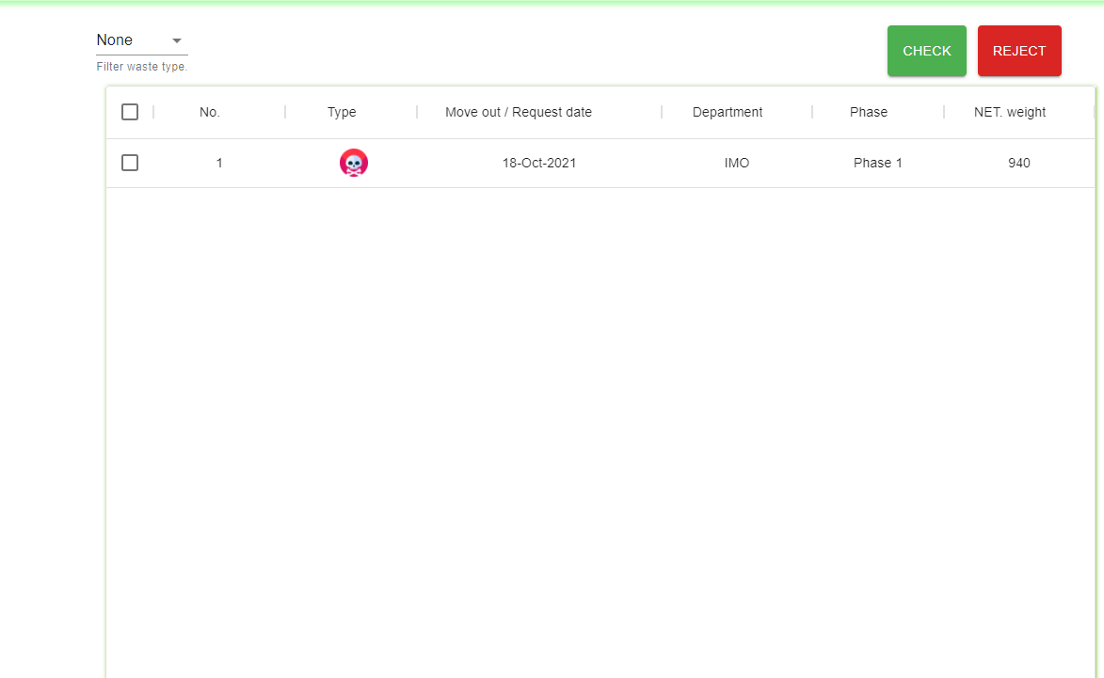

4

Hz approve
Back
1
1. FAE approve, Select Approve
2. Click the data row

3. Click close
4. Select data for approve
5. Click approve

2

3

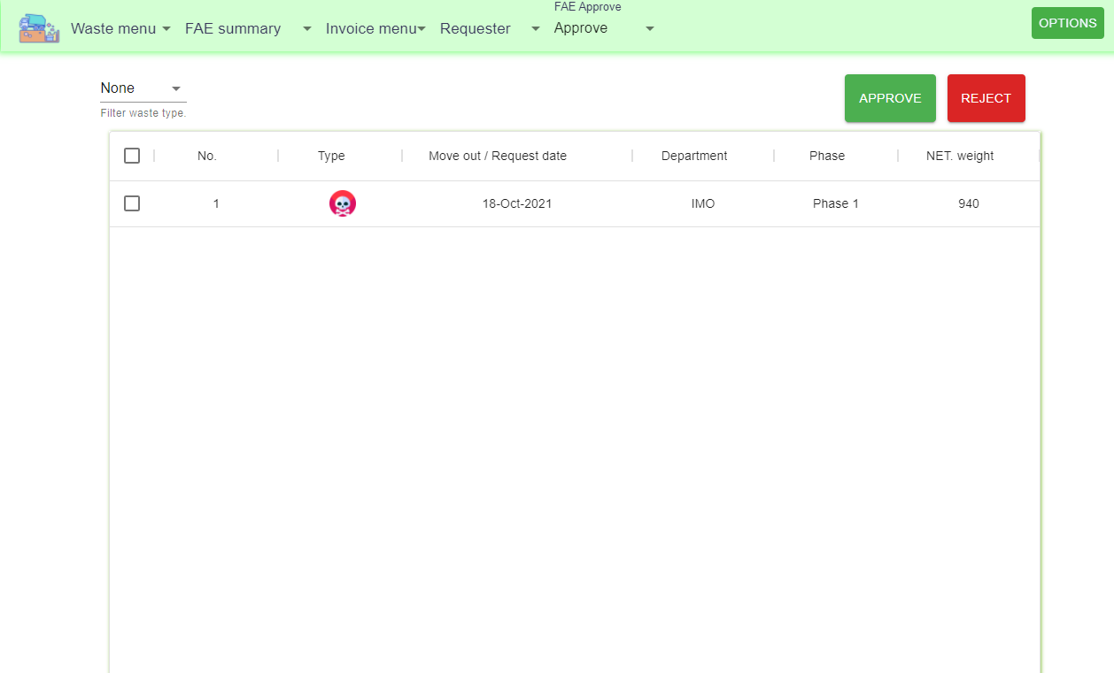
5

4

FAE acknowledge
Back
1. Menu FAE approve select FAE Acknowledge
2. Select data row
3. Click Acknowledge
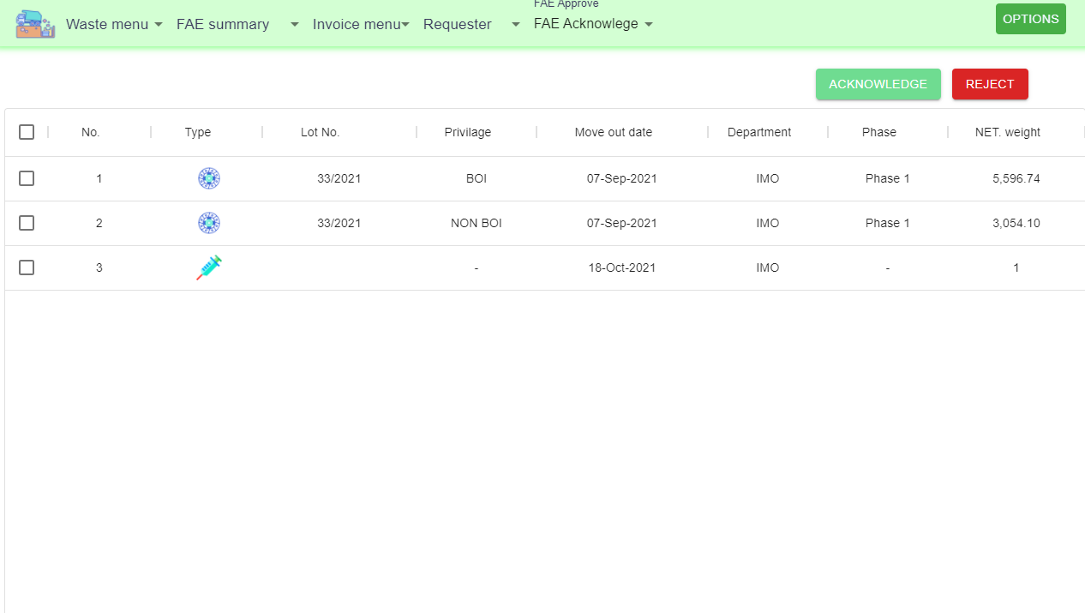
3
1
*** Can click the data row t preview data.
2

Prepare summary
Back
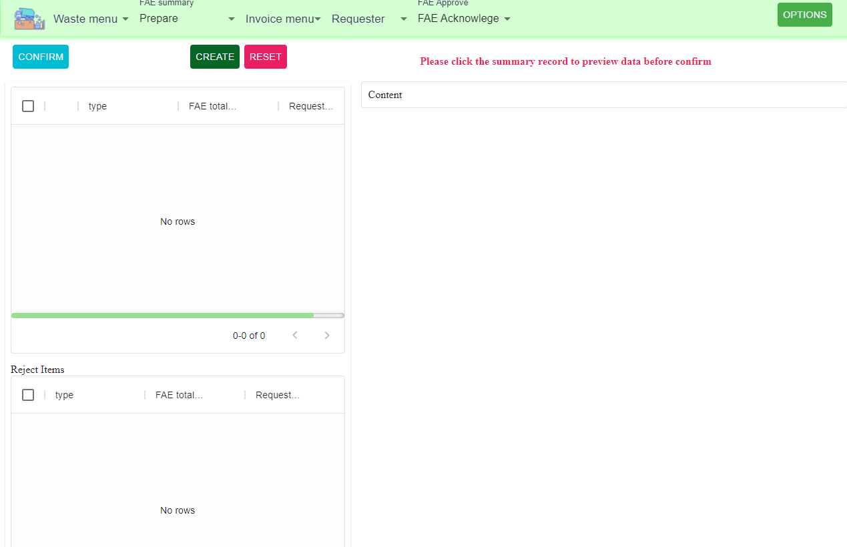
1. FAE summary select prepare and Click create

1

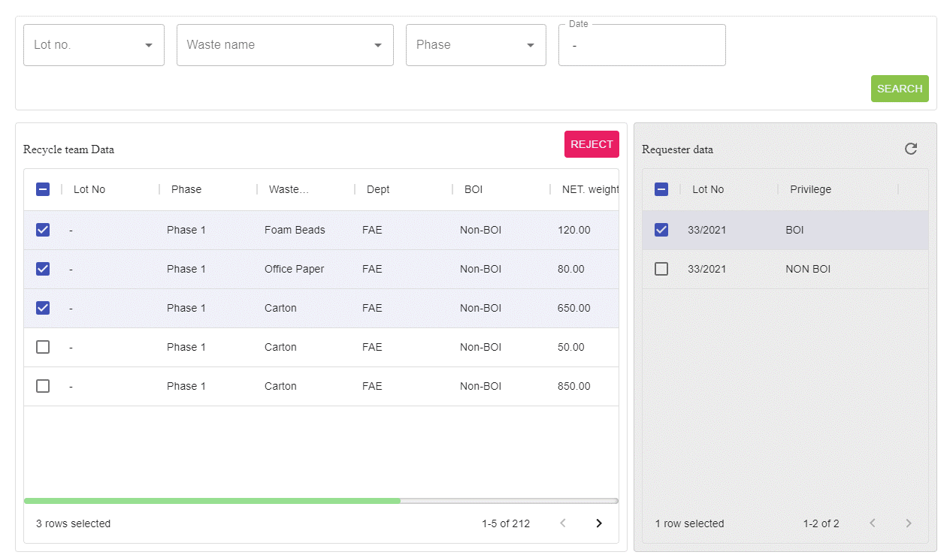

2. Search data FAE and requester
2
3. Select data attachment to summary
3

3

4
4. Select main of weight and summary type

5. Click submit
5

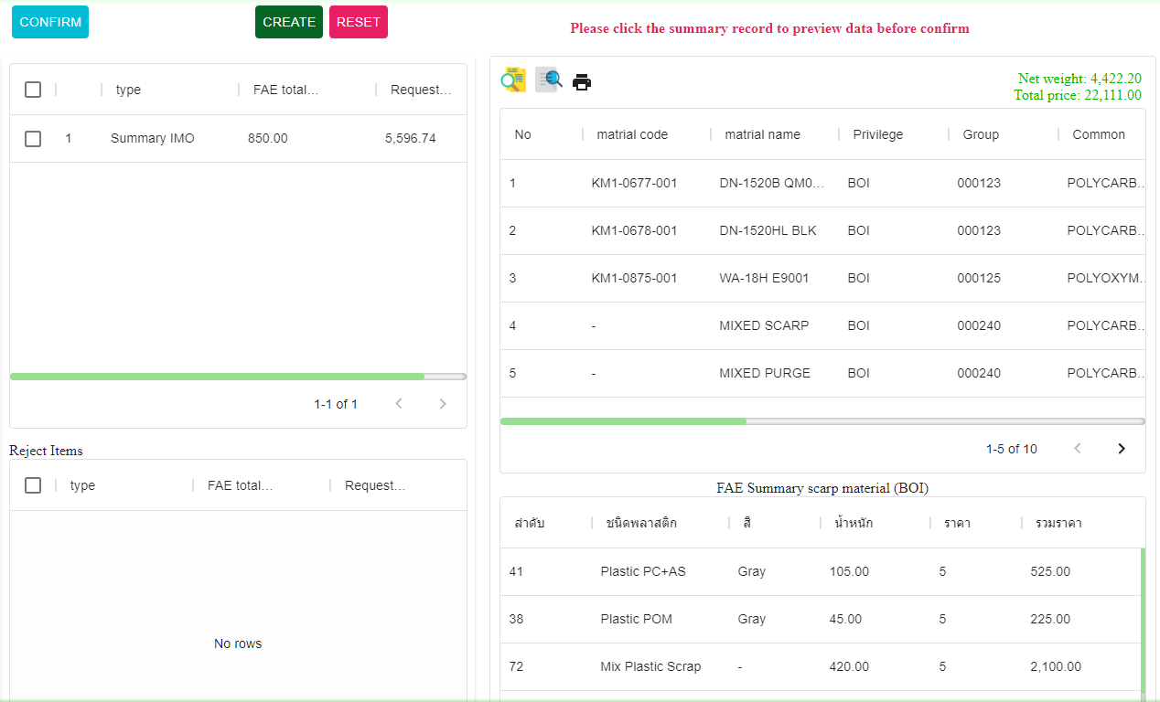
7

6. Click the data row for preview summary

7. Checked the row and click confirm
6
*** Click icons for more detail

Check summary
Back
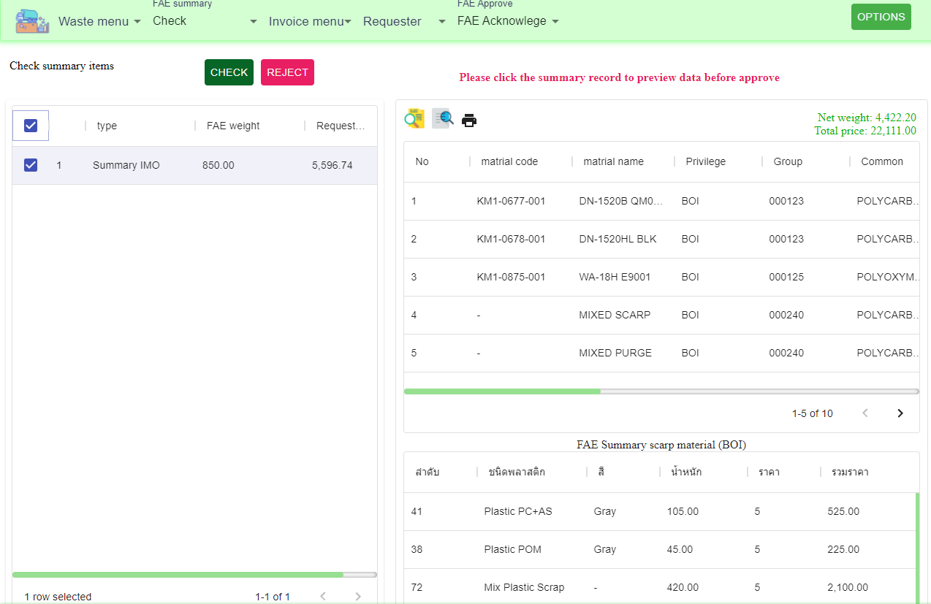
1
2
3
1. FAE summary, Select menu Check

2. Click data row for preview and select row

3. Click check.

*** Click icons for more detail

Approve summary
Back

1. FAE summary, Select menu Approve
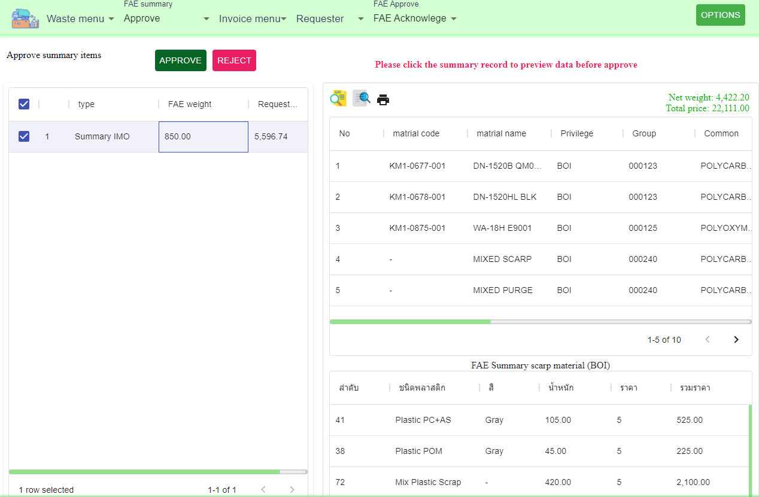
1
3
2. Click data row for preview and select row

3. Click Approve.

2
*** Click icons for more detail

Create invoice
Back
1. Click prepare, Create new invoice

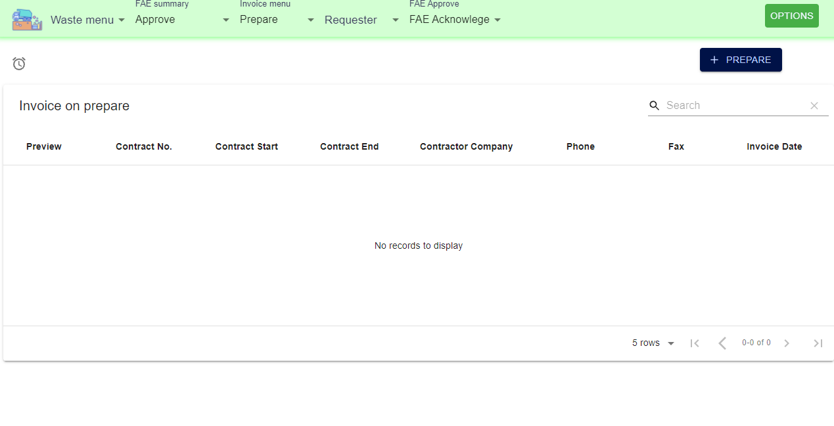
1

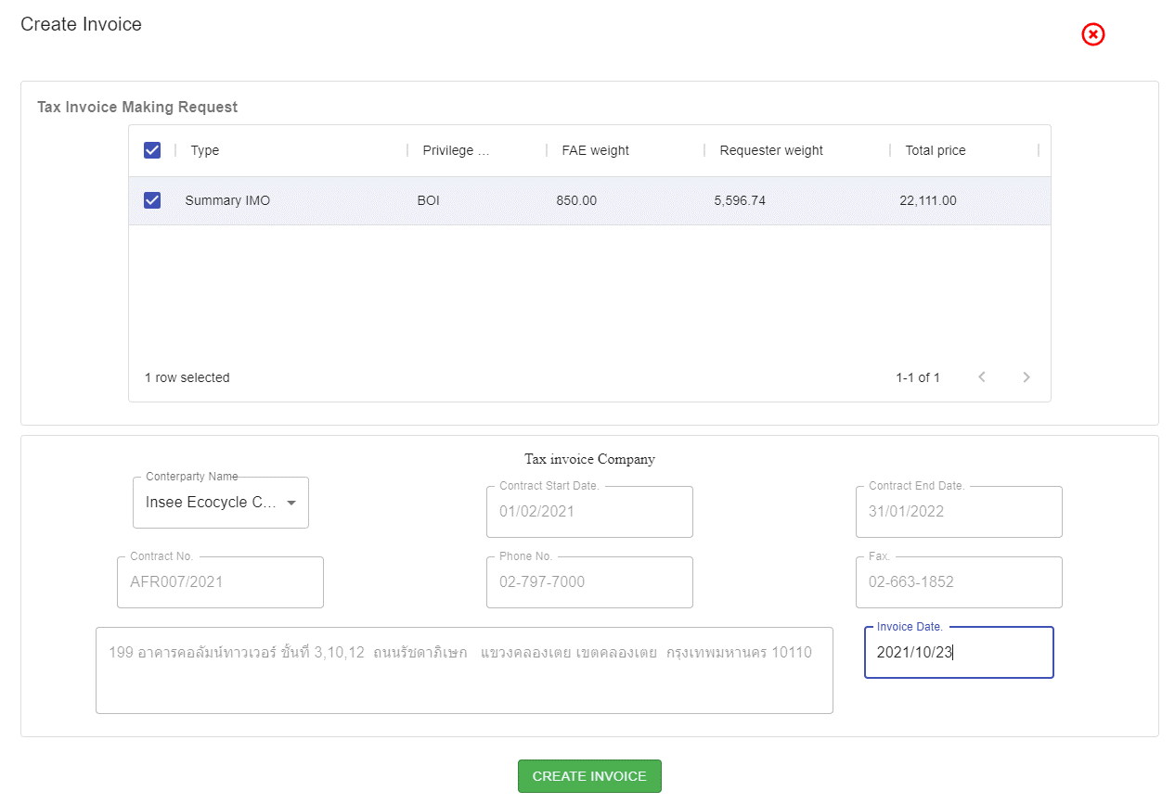

2

2. Select summary for create invoice

3
3. Select company

4. Input invoice date

4
5. Click create summary

5

FAE invoice(Check)
Back
1. Invoice menu, Select check
2. Select data for approve
3. Click check

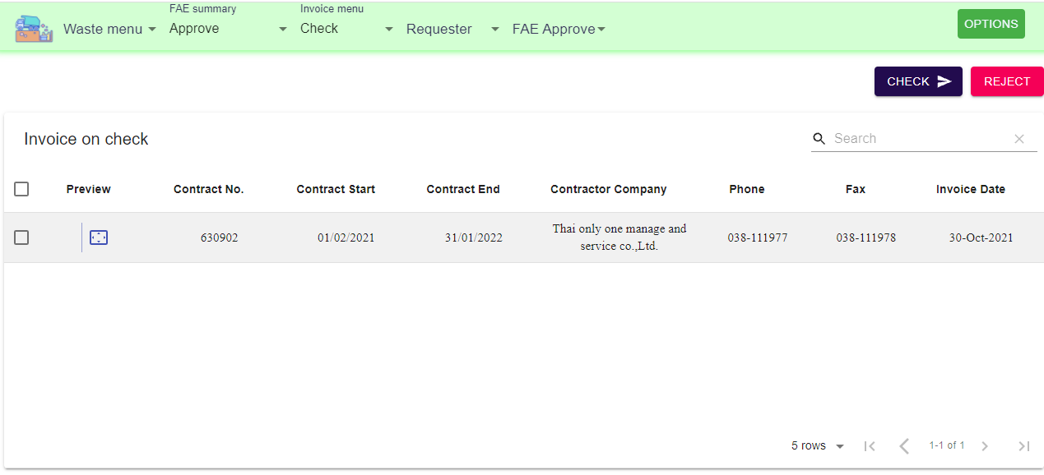
1
3

2

FAE invoice(Approve)
Back
1. Invoice menu, Select approve
2. Select data for approve
3. Click Approve

1
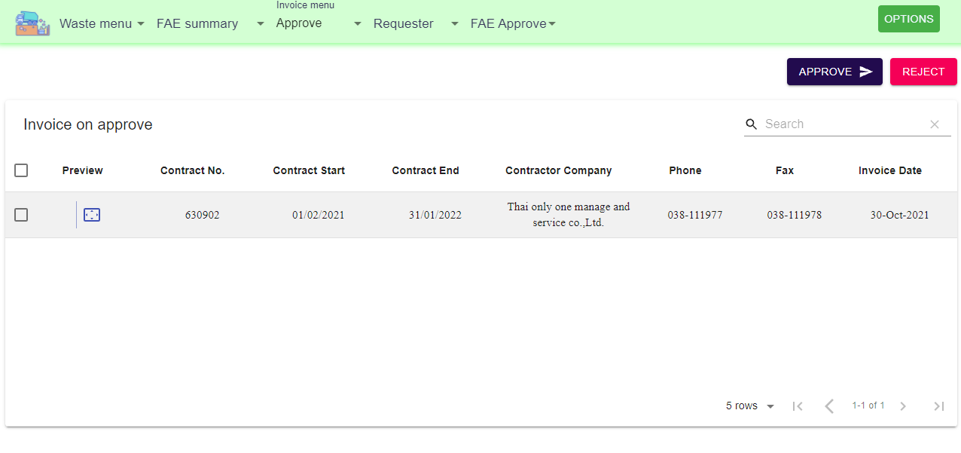
3

2

FAE invoice(GM-approve)
Back
1. Invoice menu, Select Making approve
2. Select data for approve
3. Click making approve

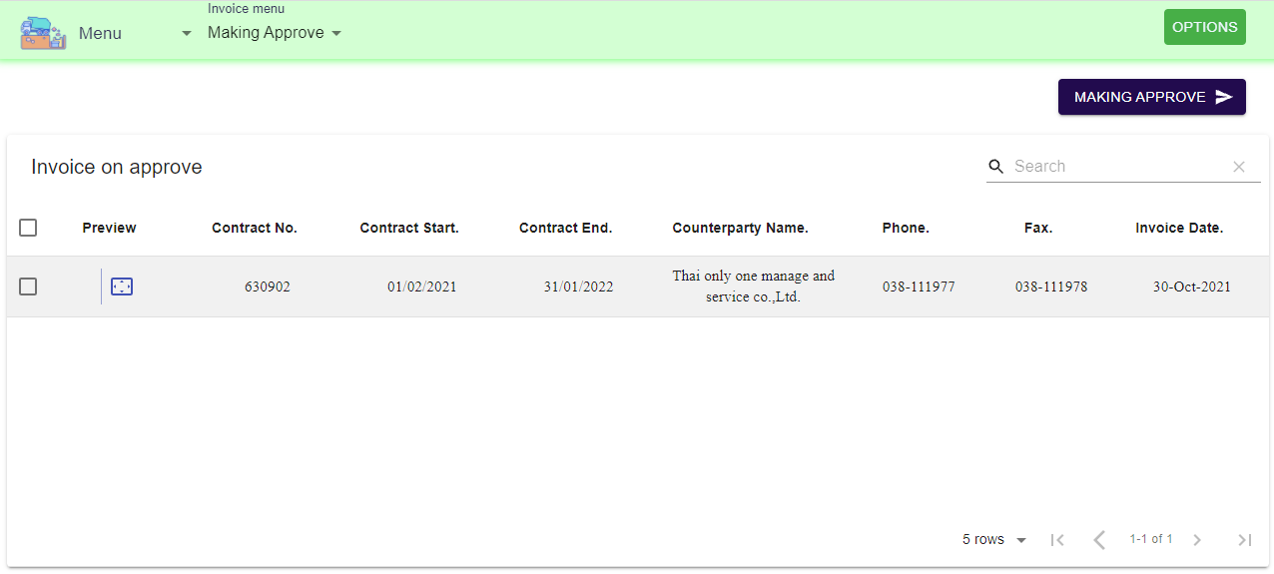
1
3

2

ITC invoice(Prepare)
Back
1. Select invoice, Click prepare
2. Select prepare items
3. Click the invoice record to prepare
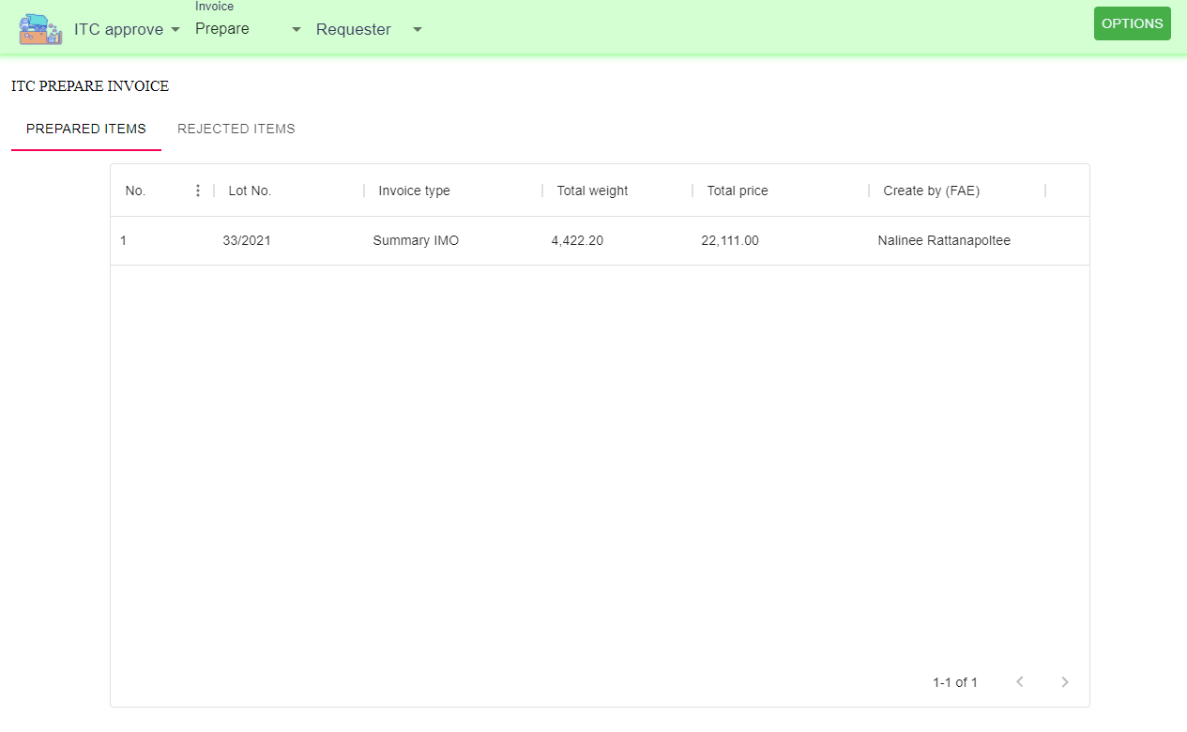
1

2

3

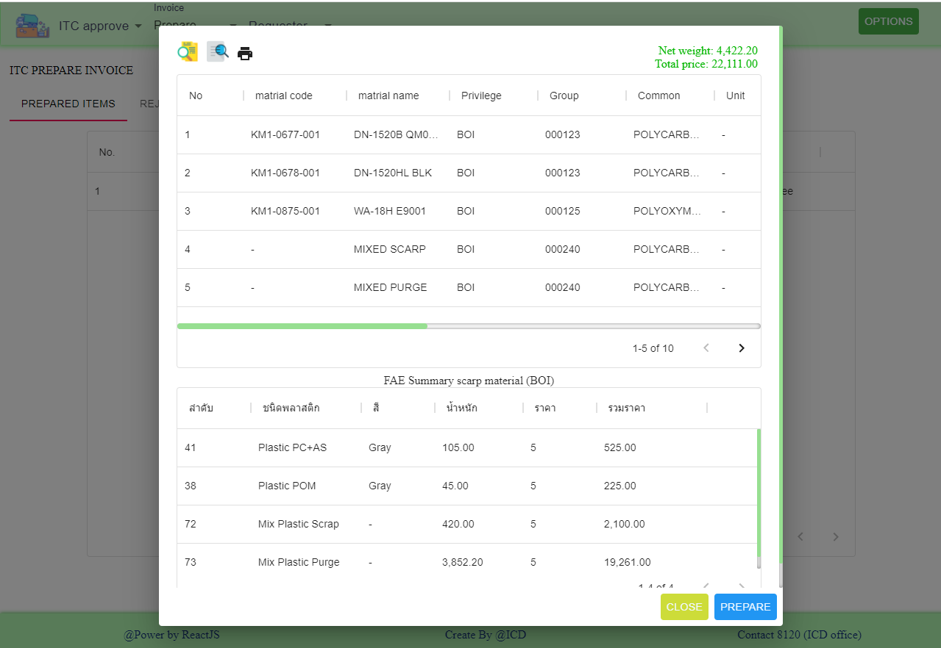
4
4. Click printer icon for export excel

5. Click prepare

5

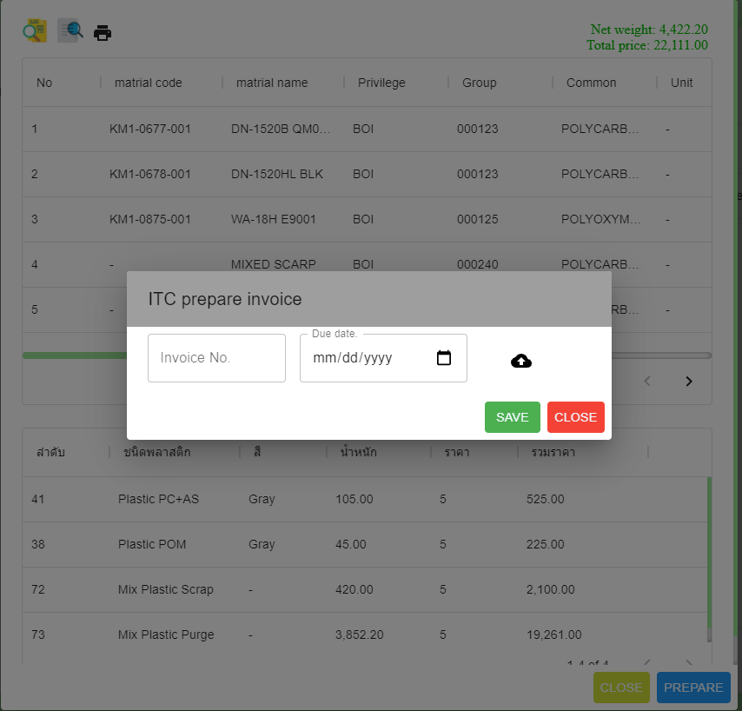

6. Input invoice No.
7. Input due date.
6
7
8
8. Upload files (PDF only)
9. Click save

9

ITC invoice(Check)
Back
1. Invoice menu, Select Check
2. Checked the record for approve
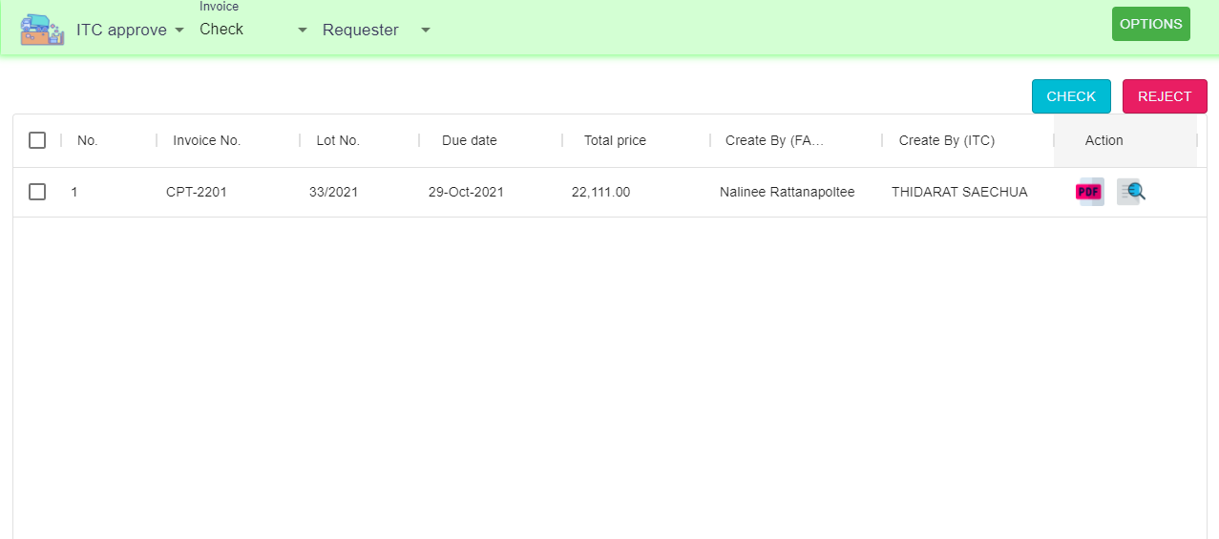
1
3. Click check
3

2

ITC invoice(Approve)
Back
1. Invoice menu, Select Approve
2. Checked the record for approve
1
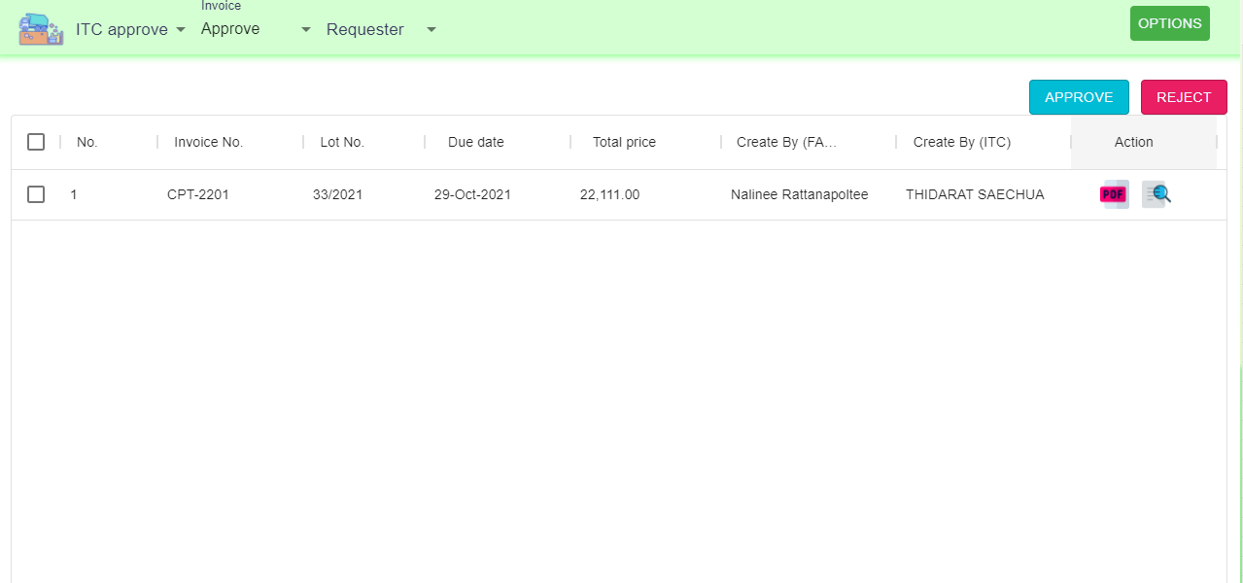
3. Click approve
3

2

ACC invoice (Prepare)
Back
1. ACC menu, Select prepare
2. Select invoice to prepare

1
3. Click prepare
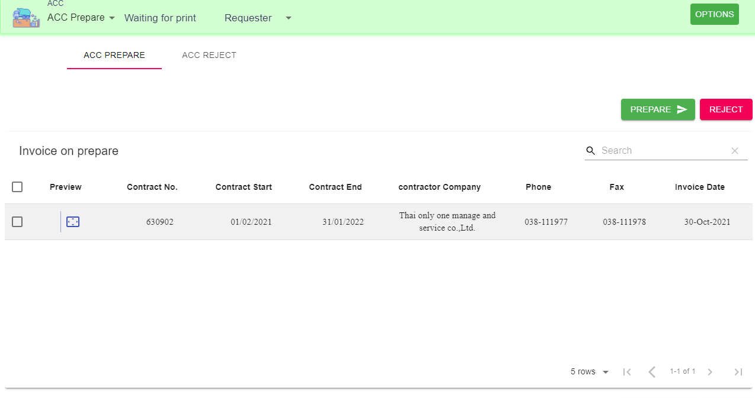

3

2

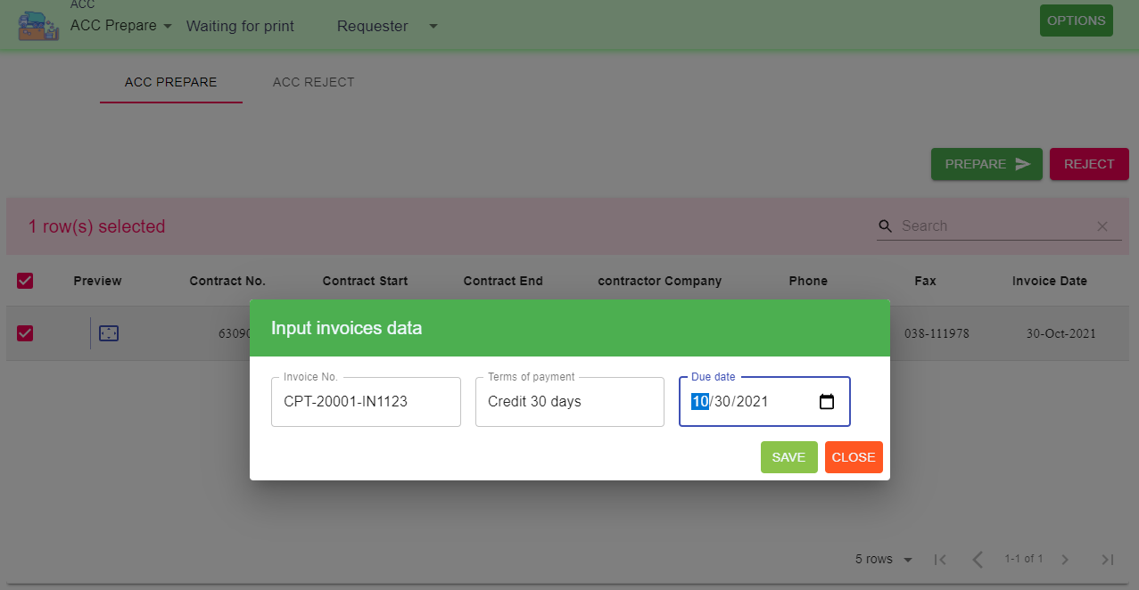

4. Input invoice No.
5. Input terms payment (Default 30)
6. Input due date

7. Click save

4
5
6

7

ACC invoice (Prepare ITC)
Back
1. ACC menu, Select prepare
2. Select invoice to prepare
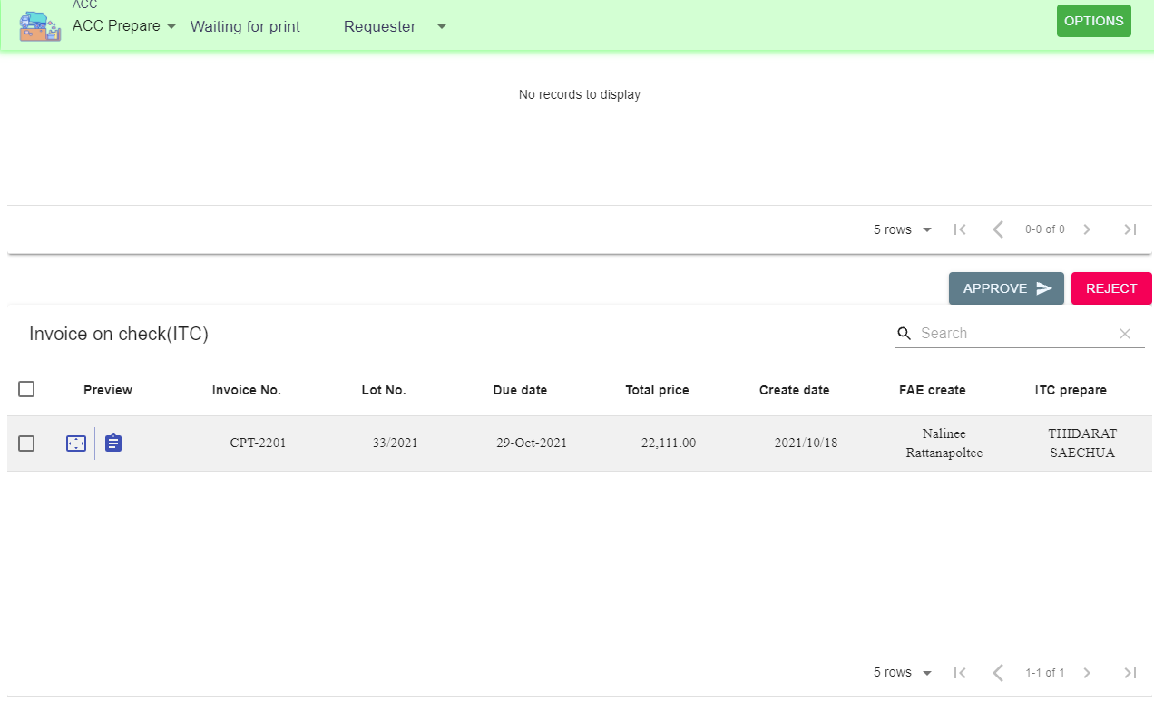
1
3. Click Approve

3

2

ACC invoice (Check)
Back
1. ACC menu, Select Check

2. Select ITC and FAE invoice for approve
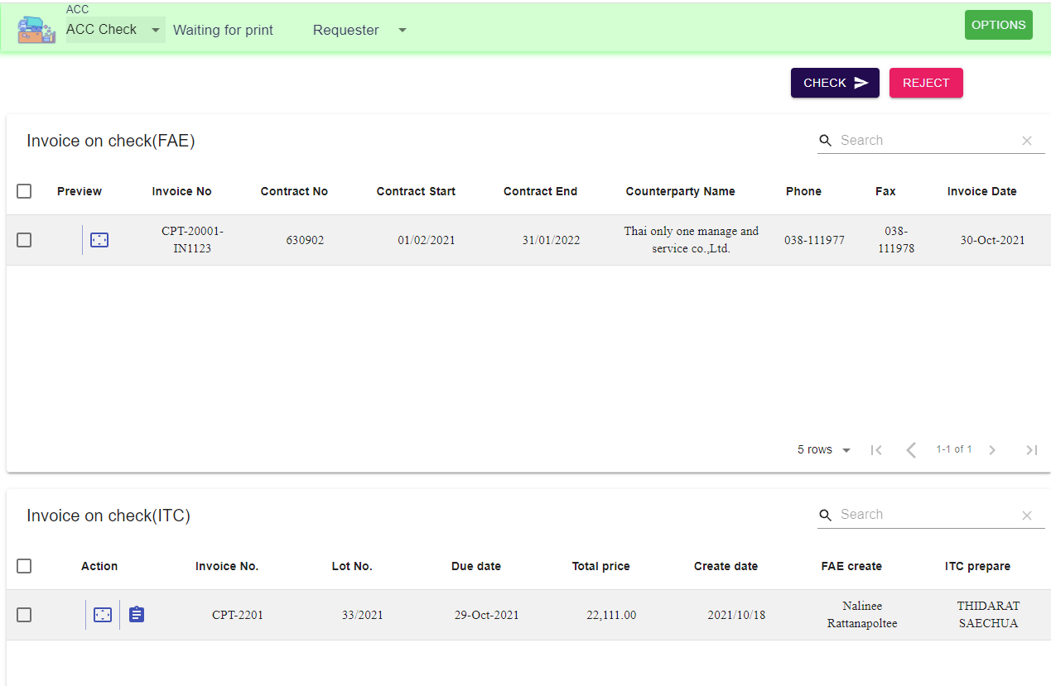
1
3
3. Click Check

2

2

ACC invoice (Approve)
Back
1. ACC menu, Select Approve

2. Select ITC and FAE invoice for approve
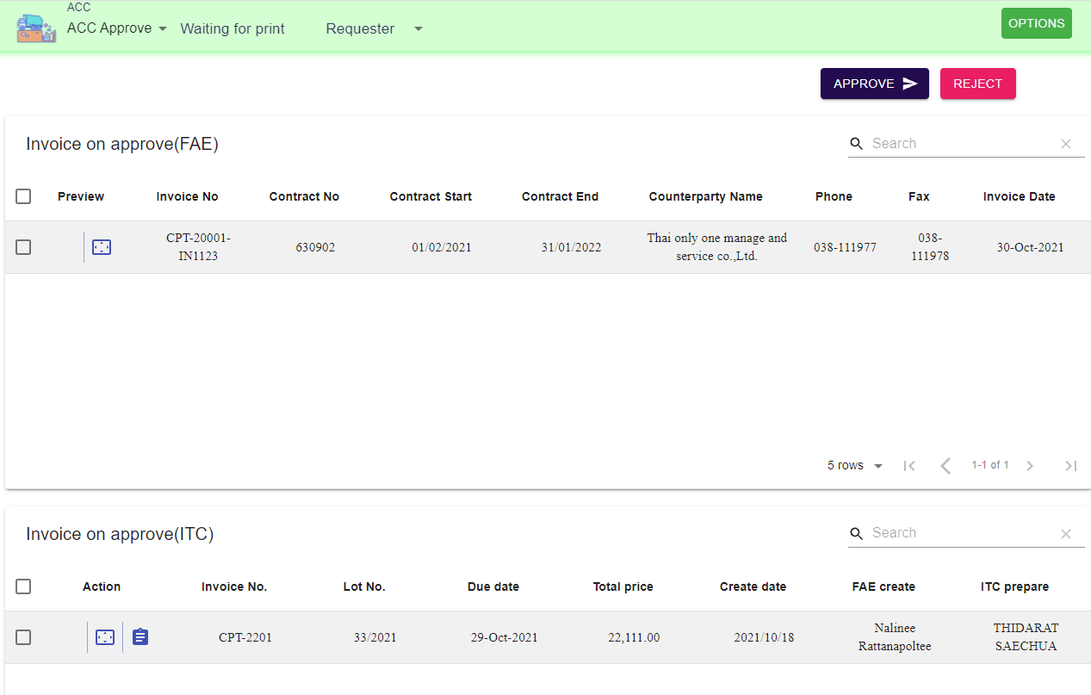
1
3
3. Click Approve

2

2

ACC print invoice
1. Menu wairing for print
Back
2. Click the data row for export excel file
1
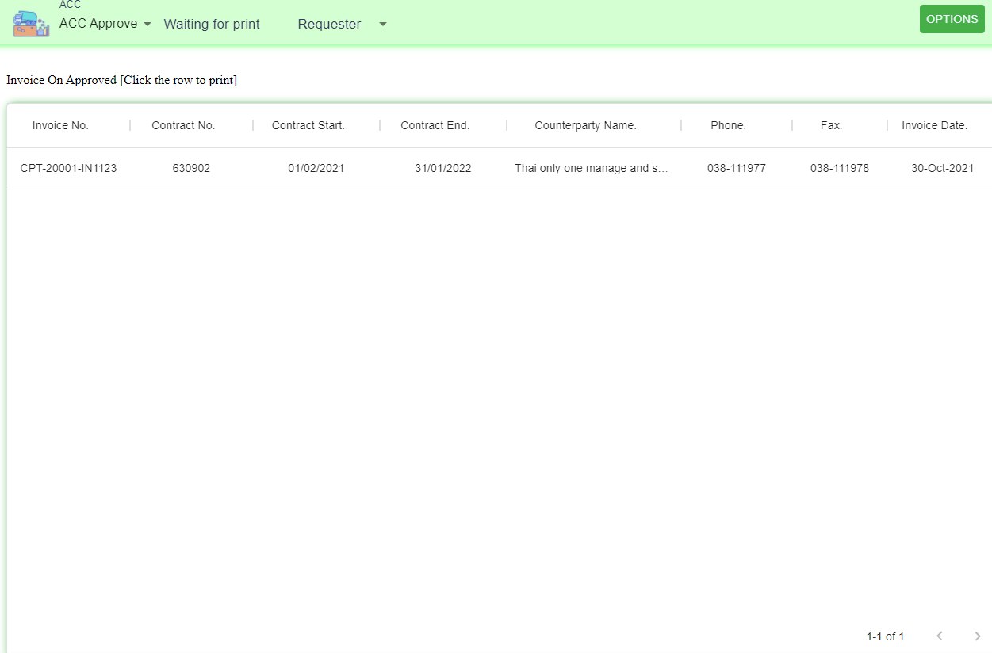

2

ACC invoice attachment
Back
1. Menu Option, Select invoice history
2. Select invoice type

3. Click icon upload and attach PDF file
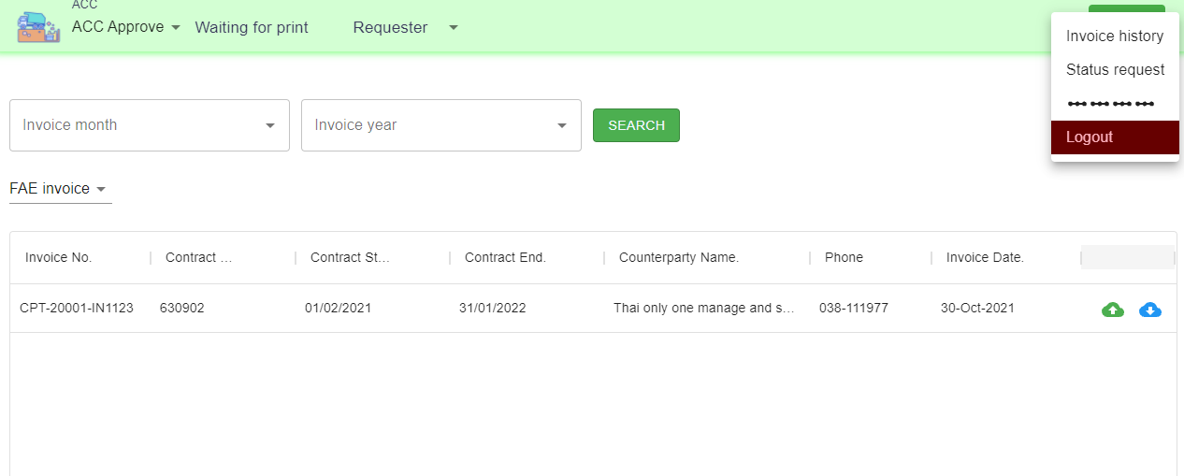
1

2

3

